To Do
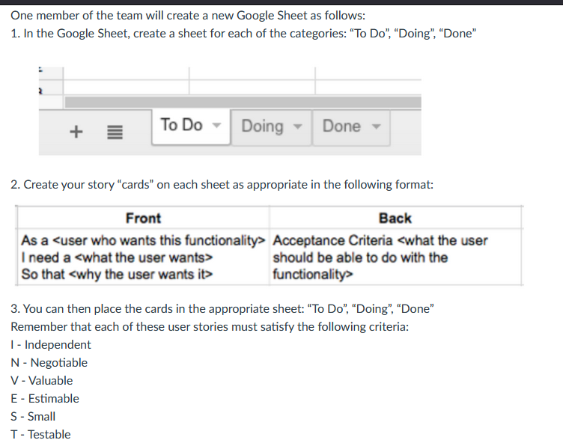

Front | Back | Sprint Number
As a user, I need to be able to create goals, So that I can motivate myself to burn calories | Acceptance criteria: The user can have a place where they can create goals, make these entertaining enough to help them keep track of goals | 5

